website
final logo layout



 |  |  |  |  |  | Africa Map
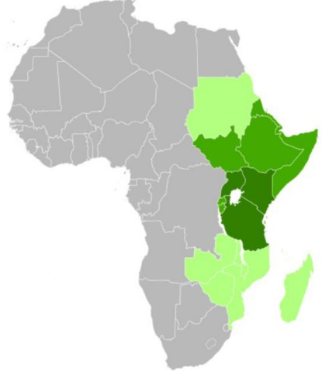
 | Individual elements of the logo
 |  |  |  |  | Fonts:


 |  |  | Fresh | Global | <<<< Britannic Bold
 |  |  |  | Solutions

 |  | ….redefining logistics |  |  | <<<< BondonMT Black

